Introduction
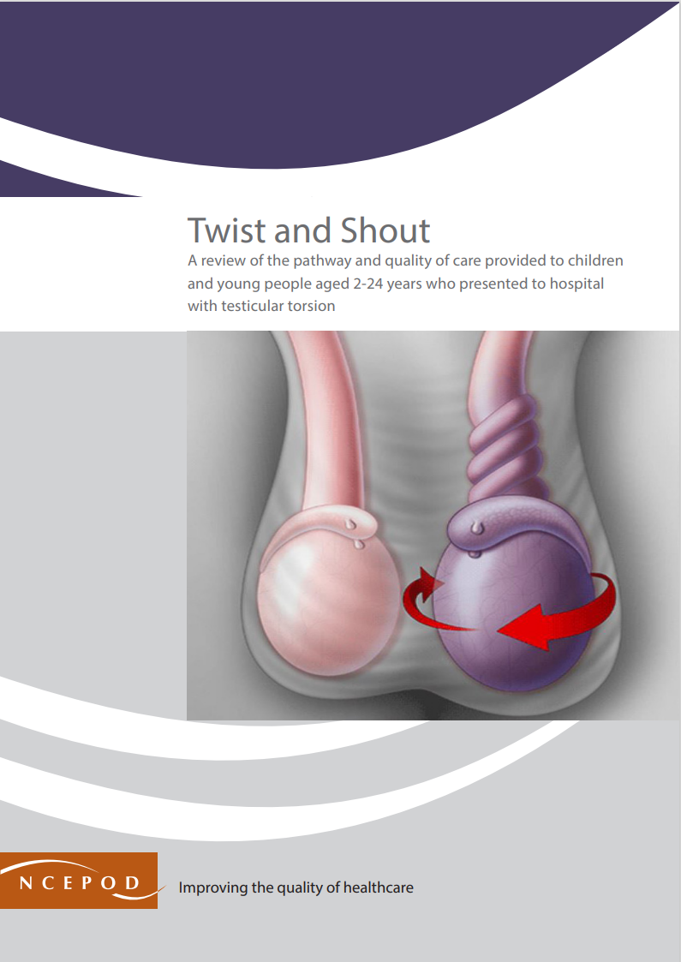

Testicular Torsion
Audit Toolkit

To be completed for patients admitted to hospital who had a diagnosis of testicular torsion and who underwent a non-elective operation for testicular torsion. ICD10 code: testicular torsion N44. OPCS codes: N03.4; N05; N06; N08; N09; N13.2; N13.3 and N13.5 (excluding N053, N065, N066, N081 and N091). In the NCEPOD study: patients were aged 2-24 years inclusive. Patients admitted with scrotal pain (ICD10 codes N45 and N508) were also identified for context but were not sampled for inclusion in the clinical peer review process. Exclusion criteria: patients who did not undergo a procedure for testicular torsion (this include patients who underwent an operation for Hydatid of Morgagni alone), and patients who were subsequently identified as being admitted for their procedure on an elective basis.

Thank you for downloading the toolkit for ''Twist and Shout." We hope you find this useful. If you have any feedback, please email us at info@ncepod.org.uk Please could you advise your local audit department if you plan to undertake this audit. It is important that they are made aware of it for the benefit of demonstrating Trust/Health Board activity and also so that they are in a position to support you and endorse the activity for your benefit.
Please complete as many questions which are applicable to the care of the patient.
For information on the recommendation to which each question assesses, please click on the button
This toolkit can be used in conjunction with the Recommendation Checklist. This can be found by clicking on the adjacent report image or this link:
https://ncepod.org.uk/2024testiculartorsion.html

Summary
Extent to which each recommendation has been met (%)
Recommendation - Sub criteria question number (reference)
4 | 6 | 7 | 8 | RAG system (NCEPOD recommends these are set at the following limits, however these can be adapted by your Trust/Health Board where appropriate by amending the thresholds as required) |  |  | %
5a | 6 | 7a | 8b
5b |  | 7b
5c |  | 7c
 |  | 7d
 |  | 7e |  | Green |  |  | 100
 |  |  |  | Amber |  |  | 50-99
 | Sub criteria scoring and average per Recommendation below |  |  | Red |  |  | 0-49

(the chart will only populate once all questions for a particular Recommendation have been answered in the Audit Tool worksheet)

Recommendation - Sub criteria questions (score) |  |  |  | Average % of recommendation
4 | 6 | 7 | 8 | 4 | 6 | 7 | 8
No data | No data | No data | No data | No data | No data | No data | No data
No data |  | No data
No data |  | No data
 |  | No data
 |  | No data

